Calculator
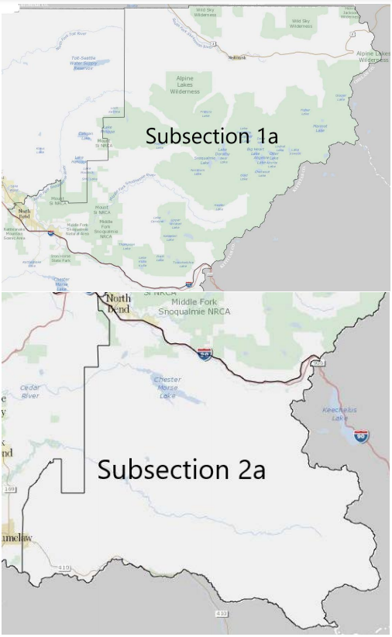
King County Universal Compost Contract Calculator
Please fill out the blue boxes below to calculate the amount and cost of compost. If you have questions, please email compost@kingcounty.gov. |  |  |  |  | Delivery Subregions:
Step 1) Calculate amount of compost needed.
If amount is already know, fill in amount in Step 1A. |  |  | Example for Step 1
Enter Inches of compost to apply |  |  | 3 | inches of compost
Yards compost needed per 1000 square feet | 0 |  | 9.3 | yards compost needed per 1,000 sq. feet
Enter number of 1,000s square feet to cover* |  |  | 3 | 1,000s of square feet to cover
Yards of compost needed | 0 |  | 27.9 | yards of compost needed
OR
Region 1
Step 1A) Fill in amount of compost needed.

Step 2) Compost Cost
Type of Compost | Fine | (dropdown option)
Cost of Compost Type on the Universal Contract | $22.00
Cost of Compost using the Universal Contract | $-

Step 3) Delivery Cost
Does your delivery fall in one of the two delivery subregion zones pictured on the right? | No | (dropdown option)
Delivery Cost | $-

Total Cost (pre-sales tax) | $-
Total Cost (with estimated sales tax included)** | $-

* One acre = 43,560 sq. feet, so use 43.5
** Sales tax varies by drop location. This calculation uses a 10% sales tax.

Region 2

